STATE-WISE
STATE-WISE SALES ANALYSIS
Observation
-California generated the highest sales, contributing significantly to overall revenue.
-New York and Texas emerged as the next strongest markets.
-Sales distribution is highly uneven, with a small number of states accounting for a large share of total sales.
-Several states contribute relatively low revenue despite market presence.
-A clear performance gap exists between top-performing and bottom-performing states.
STATE/PROVINCE | Sum of Sales
Alabama | 19510.64
Alberta | 11460.186
Arizona | 35282.001
Arkansas | 11678.13
British Columbia | 2763.2
South Carolina | 8481.71
South Dakota | 1315.56
Tennessee | 30661.873
Texas | 170188.0458
Utah | 11220.056
Vermont | 8929.37
Virginia | 70636.72
Washington | 138641.27
West Virginia | 1209.824
Wisconsin | 32114.61
Wyoming | 1603.136
California | 457687.6315
Colorado | 32108.118
Connecticut | 13384.357
Delaware | 27451.069
District of Columbia | 2865.02
Florida | 89473.708
Georgia | 49095.84
Idaho | 4382.486
Illinois | 80166.101
Indiana | 53555.36
Iowa | 4579.76
Kansas | 2914.31
Kentucky | 36591.75
Louisiana | 9217.03
Maine | 1270.53
Manitoba | 1930.782
Maryland | 23705.523
Massachusetts | 28634.434
Michigan | 76269.614
Minnesota | 29863.15
Mississippi | 10771.34
Missouri | 22205.15
Montana | 5589.352
Nebraska | 7464.93
Nevada | 16729.102
New Brunswick | 225.696
New Hampshire | 7292.524
New Jersey | 35764.312
New Mexico | 4783.522
New York | 310876.271
Newfoundland and Labrador | 515.2
North Carolina | 55603.164
North Dakota | 919.91
Nova Scotia | 382.144
Ohio | 78258.136
Oklahoma | 19683.39
Ontario | 7009.012
Oregon | 17431.15
Pennsylvania | 116511.914
Prince Edward Island | 1087.916
Quebec | 3826.96
Rhode Island | 22627.956
Saskatchewan | 132.398

REGION-WISE
Observation
-The West region recorded the highest total sales.
-The East region closely followed the West in revenue contribution.
-The South region generated the lowest sales among all regions.
-Sales performance varies significantly across geographic regions.
-The majority of business revenue originates from the West and East regions.
REGION-WISE SALES ANALYSIS
REGION | Sum of Sales
Central | 503170.6728
East | 691828.168
South | 391721.905
West | 739813.6085

CATEGORY-WISE
Observation
-Technology is the highest revenue-generating category.
-Furniture contributes substantial sales but remains below Technology.
-Office Supplies generate the lowest sales among the three categories.
-Category sales are relatively balanced, though Technology holds a clear lead.
-Customer preference appears strongest for technology-related products.
CATEGORY-WISE SALES ANALYSIS
CATEGORY | Sum of Sales
Furniture | 754747.7613
Office Supplies | 731893.314
Technology | 839893.279

STATE-WISE PROFIT
STATE-WISE PROFIT ANALYSIS
Observation
-California generated the highest profit among all states.
-Profit levels vary significantly across different states.
-Some states generate strong sales but comparatively lower profits.
-A limited number of states contribute a large share of total profitability.
-Profitability performance is less evenly distributed than sales performance.
Row Labels | Sum of Profit
California | 76381.3871
New York | 74038.5486
Washington | 33402.6517
Michigan | 24463.1876
Virginia | 18597.9504
Indiana | 18382.9363
Georgia | 16250.0433
Kentucky | 11199.6966
Minnesota | 10823.1874
Delaware | 9977.3748
New Jersey | 9772.9138
Wisconsin | 8401.8004
Rhode Island | 7285.6293
Maryland | 7031.1788
Massachusetts | 6785.5016
Missouri | 6436.2105
Alabama | 5786.8253
Oklahoma | 4853.956
Arkansas | 4008.6871
Connecticut | 3511.4918
Nevada | 3316.7659
Mississippi | 3172.9762
Utah | 2546.5335
Vermont | 2244.9783
Alberta | 2236.1578
Louisiana | 2196.1023
Nebraska | 2037.0942
Ontario | 1880.3966
Montana | 1833.3285
South Carolina | 1769.0566
New Hampshire | 1706.5028
Iowa | 1183.8119
New Mexico | 1157.1161
Quebec | 1090.9383
District of Columbia | 1059.5893
Kansas | 836.4435
Idaho | 826.7231
Maine | 454.4862
South Dakota | 394.8283
Prince Edward Island | 329.353
North Dakota | 230.1497
Newfoundland and Labrador | 186.676
West Virginia | 185.9216
Manitoba | 158.9445
British Columbia | 115.6703
Wyoming | 100.196
Saskatchewan | 28.54
Nova Scotia | -52.742
New Brunswick | -74.1416
Oregon | -1190.4705
Florida | -3399.3017
Arizona | -3427.9246
Tennessee | -5341.6936
Colorado | -6527.8579
North Carolina | -7490.9122
Illinois | -12607.887
Pennsylvania | -15559.9603
Ohio | -16971.3766
Texas | -25729.3563

GEOGRAPHIC ANALYSIS
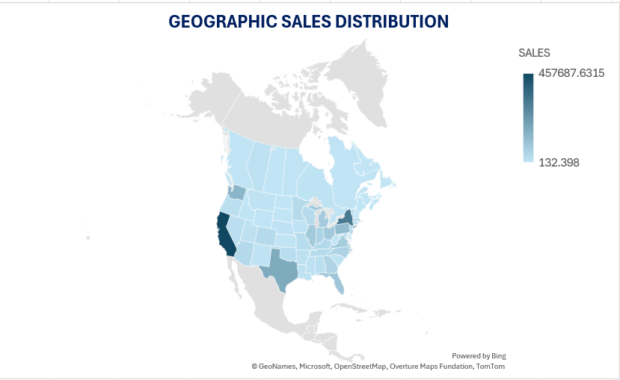
Observation
-Sales activity is concentrated in specific geographic clusters.
-California shows the highest sales intensity on the map.
-Strong demand is visible along the West and East regions.
-Several central regions demonstrate lower sales activity.
-Geographic patterns reveal clear differences in market demand across locations.
STATE/PROVINCE | SALES
California | 457687.6315
New York | 310876.271
Texas | 170188.0458
Washington | 138641.27
Pennsylvania | 116511.914
Florida | 89473.708
Illinois | 80166.101
Ohio | 78258.136
Michigan | 76269.614
Virginia | 70636.72
North Carolina | 55603.164
Indiana | 53555.36
Georgia | 49095.84
Kentucky | 36591.75
New Jersey | 35764.312
Arizona | 35282.001
Wisconsin | 32114.61
Colorado | 32108.118
Tennessee | 30661.873
Minnesota | 29863.15
Massachusetts | 28634.434
Delaware | 27451.069
Maryland | 23705.523
Rhode Island | 22627.956
Missouri | 22205.15
Oklahoma | 19683.39
Alabama | 19510.64
Oregon | 17431.15
Nevada | 16729.102
Connecticut | 13384.357
Arkansas | 11678.13
Alberta | 11460.186
Utah | 11220.056
Mississippi | 10771.34
Louisiana | 9217.03
Vermont | 8929.37
South Carolina | 8481.71
Nebraska | 7464.93
New Hampshire | 7292.524
Ontario | 7009.012
Montana | 5589.352
New Mexico | 4783.522
Iowa | 4579.76
Idaho | 4382.486
Quebec | 3826.96
Kansas | 2914.31
District of Columbia | 2865.02
British Columbia | 2763.2
Manitoba | 1930.782
Wyoming | 1603.136
South Dakota | 1315.56
Maine | 1270.53
West Virginia | 1209.824
Prince Edward Island | 1087.916
North Dakota | 919.91
Newfoundland and Labrador | 515.2
Nova Scotia | 382.144
New Brunswick | 225.696
Saskatchewan | 132.398

INSIGHTS & RECOMMENDATIONS
GEOSPATIAL DATA ANALYSIS
Key Findings:
-California emerged as the highest-performing state in both sales and profit.
-The West and East regions contributed the largest share of total revenue.
-Technology was the top-performing product category, generating the highest sales.
-Sales and profits are concentrated in a limited number of states and regions.
-Geographic analysis revealed strong demand clusters, particularly in coastal regions.
Business Insights:
-Business performance is heavily dependent on a few key markets, indicating opportunities for diversification.
-Strong customer demand exists in the West and East regions, making them critical growth drivers.
-Technology products play a major role in revenue generation and customer demand.
-Profitability varies across states, suggesting differences in operational efficiency and pricing effectiveness.
-Geospatial analysis provides valuable insights for identifying expansion opportunities and underserved markets.
Recommendations:
-Prioritize expansion efforts in high-demand regions, particularly within the West and East.
-Increase investment in Technology products through inventory expansion and targeted promotions.
-Strengthen marketing initiatives in mid-performing states to improve market penetration.
-Review pricing, discounting, and cost structures in lower-profit states to enhance profitability.
-Use geospatial insights to identify new store locations and optimize resource allocation for future growth.
Conclusion:
-The analysis identified California, the West and East regions, and the Technology category as the primary drivers of business performance. Geographic sales patterns highlighted clear demand concentrations and growth opportunities. These findings provide a strong foundation for data-driven expansion planning and strategic decision-making.

